Sheet1
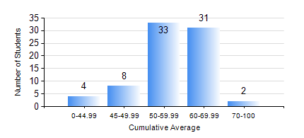
 |  |  | KWAME NKRUMAH UNIVERSITY OF SCIENCE AND TECHNOLOGY, KUMASI Department of Materials Engineering

 |  |  | BSC. METALLURGICAL ENG.

 |  |  | COMPREHENSIVE RECORD OF EXAMINATION RESULTS

 |  |  | RESULTS OF YEAR 2 SECOND SEMESTER, 2022/2023 ACADEMIC YEAR

 | Sn | Course Code |  | Course Name | Credit Hours | Min. Mark | Max. Mark | Avg. Mark | Std. Dev. | No. Passed | No. Trailed | No. (Df) | No. (I) | No. (I*) | No. Tagged(I,I*,Df) | Total
 | 0. |  |  |  |  |  |  | 0 | 0 | 0 | 0 | 0 | 0 | 0 | 0 | 8
 | 1. | MATH 252 |  | CALCULUS WITH SEVERAL VARIABLES | 4 | 40 | 83 | 59 | 9.89 | 70 | 0 | 0 | 0 | 0 | 0 | 70
 | 2. | METE 252 |  | METALLURGICAL RATE PROCESSES/SURFACE PHENOMENA | 3 | 40 | 88 | 69 | 9.83 | 70 | 0 | 0 | 0 | 0 | 0 | 70
 | 3. | METE 254 |  | ORE BENEFICIATION | 4 | 49 | 85 | 74 | 7.4 | 70 | 0 | 0 | 0 | 0 | 0 | 70
 | 4. | METE 256 |  | ASSAYING | 2 | 16 | 91 | 70 | 13.13 | 68 | 2 | 0 | 0 | 0 | 0 | 70
 | 5. | METE 258 |  | COMPUTER PROGRAMMING AND APPLICATIONS | 2 | 40 | 73 | 56 | 8.29 | 70 | 0 | 0 | 0 | 0 | 0 | 70
 | 6. | MSE 252 |  | HEAT AND MASS TRANSPORT | 3 | 36 | 95 | 58 | 11.64 | 65 | 1 | 4 | 0 | 0 | 4 | 70
 | 7. | MSE 260 |  | PHASE TRANSFORMATIONS | 2 | 27 | 78 | 49 | 11.53 | 61 | 9 | 0 | 0 | 0 | 0 | 70

